Dashboard
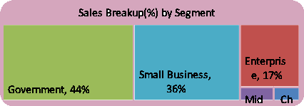
Sales Dashboard
Total Sales
Profit($)
Profit %
Unit Sold
Tata Motors Car
₹ 11,87,26,350
₹ 1,68,93,702
14.23%
₹ 11,25,806

Sales'(000) and Profit (%) by Month
 | Sum of Sales ('000) | Sum of Profit ('000)
Jan | 10870.14 | 1852.02
Feb | 6964.97 | 924.63
Mar | 8188.4 | 1161.27
Apr | 11001.59 | 1563.23
May | 11253.34 | 1558.71
Jun | 10844.11 | 1262.88
Jul | 13152.14 | 1936.33
Aug | 11259.07 | 1719.52
Sep | 9120.74 | 1309.15
Oct | 6777.99 | 726.67
Nov | 7978.29 | 1302.46
Dec | 11315.63 | 1576.87
Top Selling Products
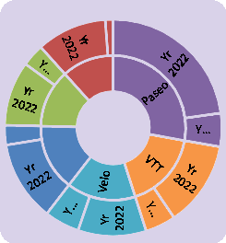

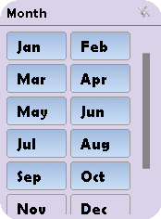
PROD_ID_002

₹ 3,30,11,144
Sales (%) by Country
 | Total
Canada | 9%
England | 14%
France | 15%
Germany | 12%
India | 10%
Italy | 12%
Japan | 16%
USA | 11%
Sales ($) generated by customers
CUST_ID_046 | 95234.33
CUST_ID_047 | 2579791.79
CUST_ID_048 | 880929.4
CUST_ID_049 | 664684.34
CUST_ID_050 | 740130

62

Units sold Split (%)
 | Total
Amarilla | 14%
Carretera | 13%
Montana | 14%
Paseo | 30%
Velo | 14%
VTT | 15%
Profit ($) generated Over Month
 | Total
Jan | 989,376
Feb | 607,890
Mar | 1,045,128
Apr | 1,296,629
May | 1,282,178
Jun | 1,026,824
Jul | 1,485,011
Aug | 1,266,488
Sep | 993,298
Oct | 502,492
Nov | 1,271,140
Dec | 1,248,784

